Angle Calclation
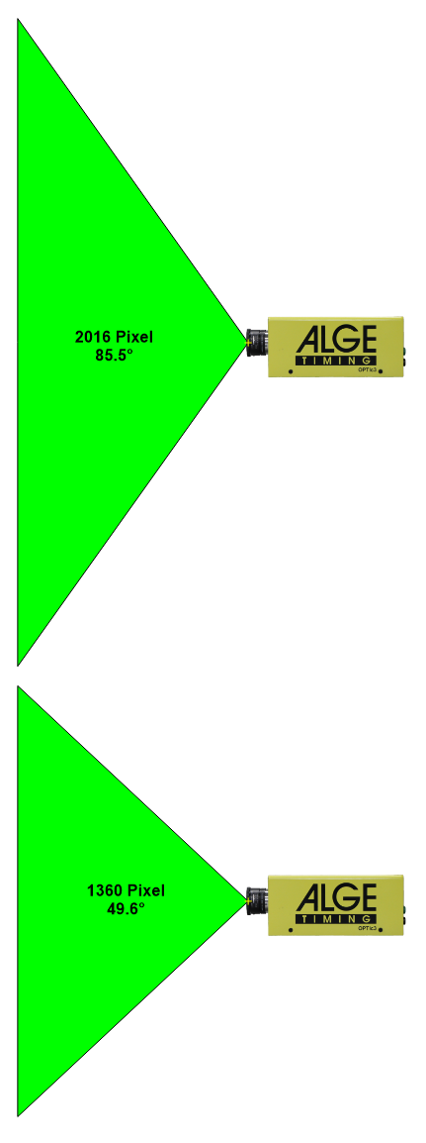
Calculation of the Camera Angle

1. Please enter the distances in meter in all yellow fields.
2. The calculated camera angle is shown in red!
3. Please check if the calculated camera angle is within the minimum and maximum angle of the lens you want to use!
4. This calculation checks also the minimum angle (shown in blue).
5. The minimum angle is important so that the athletes do not cover each other in the picture. It should be over 20°

 |  |  |  | Vertical Camera Resolution |  |  |  |  |  |  |  | MZ75C and Z75 - C-Mount Lens with 12.5 - 75 mm (2/3")
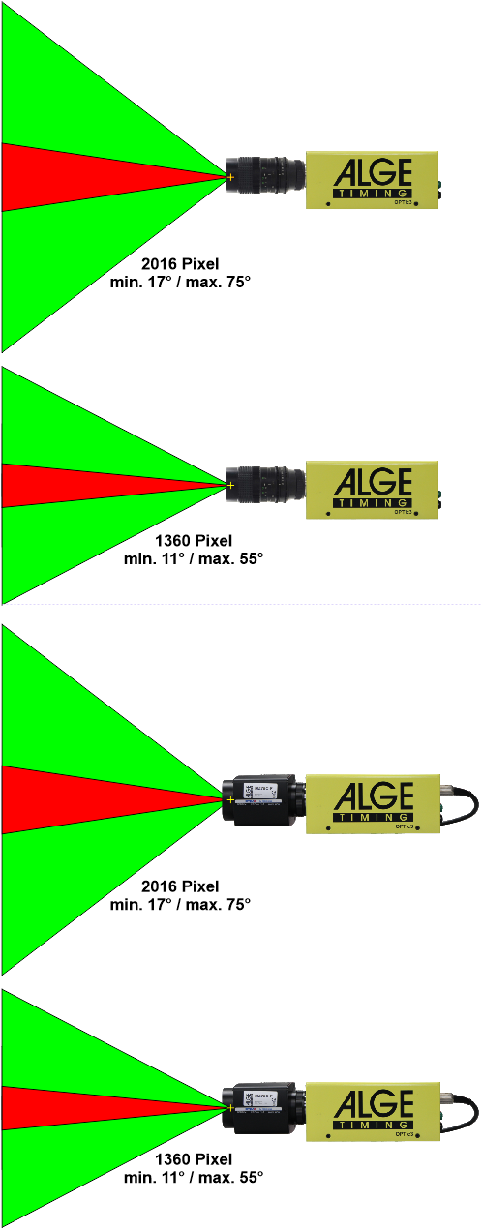
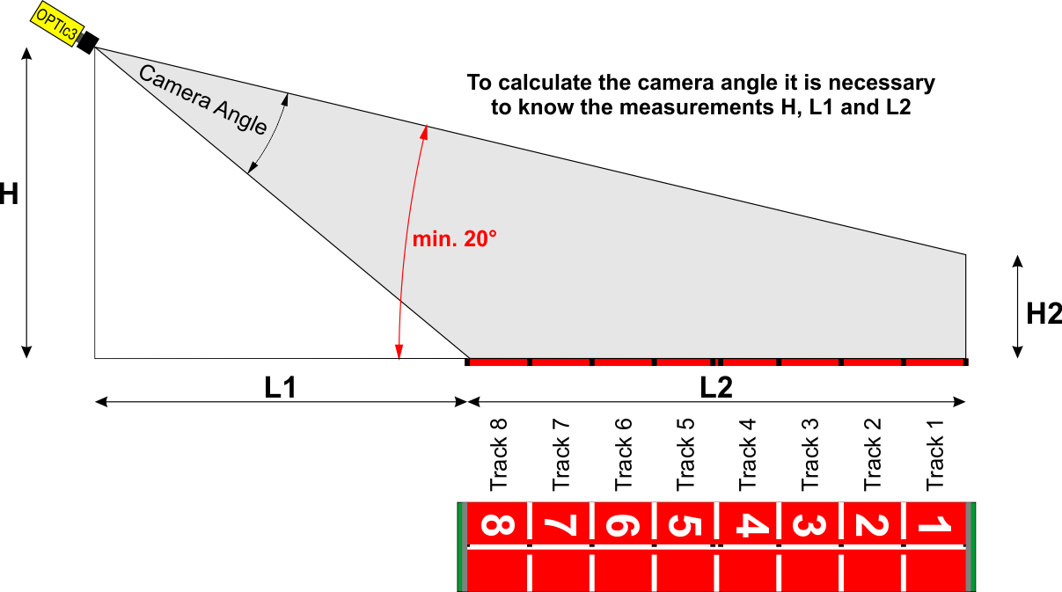

H = | 2.7

 |  |  |  |  |  |  |  |  |  | H2= | 1.5
 |  |  |  |  |  |  |  |  |  |  | Meter |  | Variante | Höhe [m] | L1 [m] | Zielline [m] | H2 [m] | Kamera- winkel | Winkel auf Aussenbahn
 |  |  |  |  |  |  |  |  |  |  |  |  | 1 | 10 | 10 | 40 | 2 | 60° | 9°
 |  |  |  |  |  |  |  |  |  |  |  |  | 2 | 10 | 5 | 40 | 2 | 53° | 11°
 |  |  |  |  |  |  |  |  |  |  |  |  | 3 | 15 | 10 | 40 | 2 | 42° | 15°
 |  |  |  |  |  |  |  |  |  |  |  |  | 4 | 15 | 5 | 40 | 2 | 55° | 16°
 |  |  |  |  |  |  |  |  |  |  |  |  | 5 | 18 | 5 | 40 | 2 | 55° | 20°

 |  |  |  |  |  |  |  |  |  |  |  |  | Kamerwinkel von MZ75c bei 2016 Pixel einstellbar zwischen 17° und 75°
 |  |  |  |  |  |  |  |  |  |  |  |  | Von World Athletics wird ein Winkel auf die Aussenbahn von min. 20° gewünscht

 |  | L1= | 2 |  |  |  |  | L2= | 9.8
 |  |  |  |  |  |  |  |  | Meter |  |  |  | Samoa Raceway |  | 6,4°
 |  |  |  |  |  |  |  |  |  |  |  |  | Road America, Plymouth |  | 14°
 |  |  | a1= |  | 84.19 | Degree |  |  |  |  |  |  | Laguna Seca Racway |  | 17,6°
 |  |  | a2= |  | 36.53 | Degree |  |  |  |  |  |  | Indionapolis |  | 5°
 |  |  | Camera angle: |  | 47.66 | Degree |  |  |  |  |  |  | Curcuit of Americas |  | 10°
 |  |  | Minimum Angle (must be over 20°): |  | 5.81 | Degree

 |  |  |  |  | low res. 1360 pixel |  | high res. 2016 pixel
 |  |  | Lenses: |  | min | max | min | max
 |  |  | Universal Zoom Z75 / Motor Zoom MZ75C |  | 5.7 | 30.0 | 8.3 | 43.0
 |  |  | Motor Zoom Lens MZ160G |  | 1.4 | 11.7 | 1.9 | 17.0
 |  |  | Wide Angle Lens L8.5 |  |  | 49.6 |  | 85.5
 |  |  | Motor Zoom Lens MZ48C |  | 8.70 | 47.5

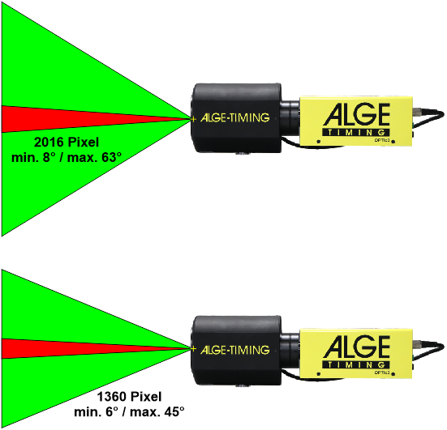
 |  |  | Hints:
 |  |  | Value of camera angle must be smaller than angle of lens (otherwise track does not fit) |  |  |  |  |  |  |  |  | MZ160G - C-Mount Lens with 16 - 160 mm (2/3")
 |  |  | Best value of camera angle is between min and max value of lens angle.

 |  |  |  |  |  | low res. 1360 pixel |  | high res. 2016 pixel
 |  |  |  | Lenses: |  | min | max | min | max
 |  |  |  | Universal Zoom Z75 / Motor Zoom MZ75C |  | 5,7° | 30° | 8,3° | 43°
 |  |  |  | Motor Zoom Lens MZ160G |  | 1,4° | 11,7° | 1,9° | 17°
 |  |  |  | Wide Angle Lens L8C |  |  | 47,5° |  | 82°
 |  |  |  | Wide Angle Lens L8.5 |  |  | 49,6° |  | 85.0
 |  |  |  | Motor Zoom Lens MZ48C |  | 8,7° | 47,5°

 |  |  |  |  |  |  |  |  |  |  |  | MZ48C - C-Mount Lens with 8 - 48 mm (1/2") use only with 1360 vertikal Pixel
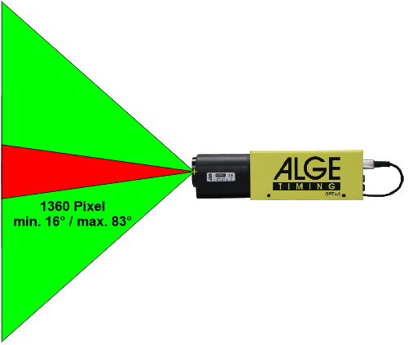

 |  |  |  |  |  |  |  |  |  |  |  | L8C - C-Mount Lens with 8 mm (2/3")


 |  |  |  |  |  |  |  |  |  |  |  | L8.5 - C-Mount Lens with 8,5 mm (2/3")

